LDBOND
LIC MF BOND FUND |  |  |  |  |  |  | Index

Monthly Portfolio Statement as on July 31,2022
Name of the Instrument | ISIN | Industry / Rating | Quantity | Market/Fair Value (Rounded, Rs. In Lacs) | Rounded, % to Net Assets | Yield

Debt Instruments
(a)Listed / Awaiting listing on stock Exchanges
6.54% Government of India | IN0020210244 | SOVEREIGN | 6,600,000.000 | 6,269.12 | 48.77% | 7.32%
7.86% State Government of Haryana | IN1620220112 | SOVEREIGN | 2,900,000.000 | 2,941.70 | 22.88% | 7.75%
7.8% State Government of Gujarat | IN1520220055 | SOVEREIGN | 2,500,000.000 | 2,524.71 | 19.64% | 7.69%
7.82% State Government of Gujarat | IN1520220030 | SOVEREIGN | 500,000.000 | 507.24 | 3.95% | 7.71%
7.98% State Government of Gujarat | IN1520160038 | SOVEREIGN | 53,800.000 | 56.17 | 0.44% | 7.17%
Sub Total |  |  |  | 12,298.94 | 95.68%

(b)Privately Placed/Unlisted
Sub Total |  |  |  | NIL | NIL

(c)Securitised Debt Instruments
Sub Total |  |  |  | NIL | NIL

TOTAL |  |  |  | 12,298.94 | 95.67%

Treps / Reverse Repo
Treps |  |  |  | 1,030.78 | 8.02%
Sub Total |  |  |  | 1,030.78 | 8.02%

TOTAL |  |  |  | 1,030.78 | 8.02%
Net Receivables / (Payables) |  |  |  | (474.65) | (3.69%)
GRAND TOTAL |  |  |  | 12,855.07 | 100.00%

The product is suitable for investors who are seeking* | Riskometer - Scheme | First Tier Benchmark | Riskometer - First Tier Benchmark
LIC MF Bond Fund | 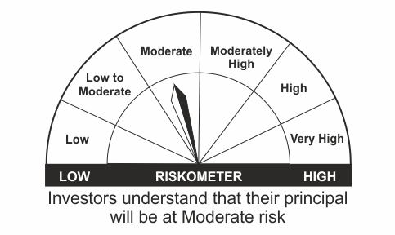 |  | 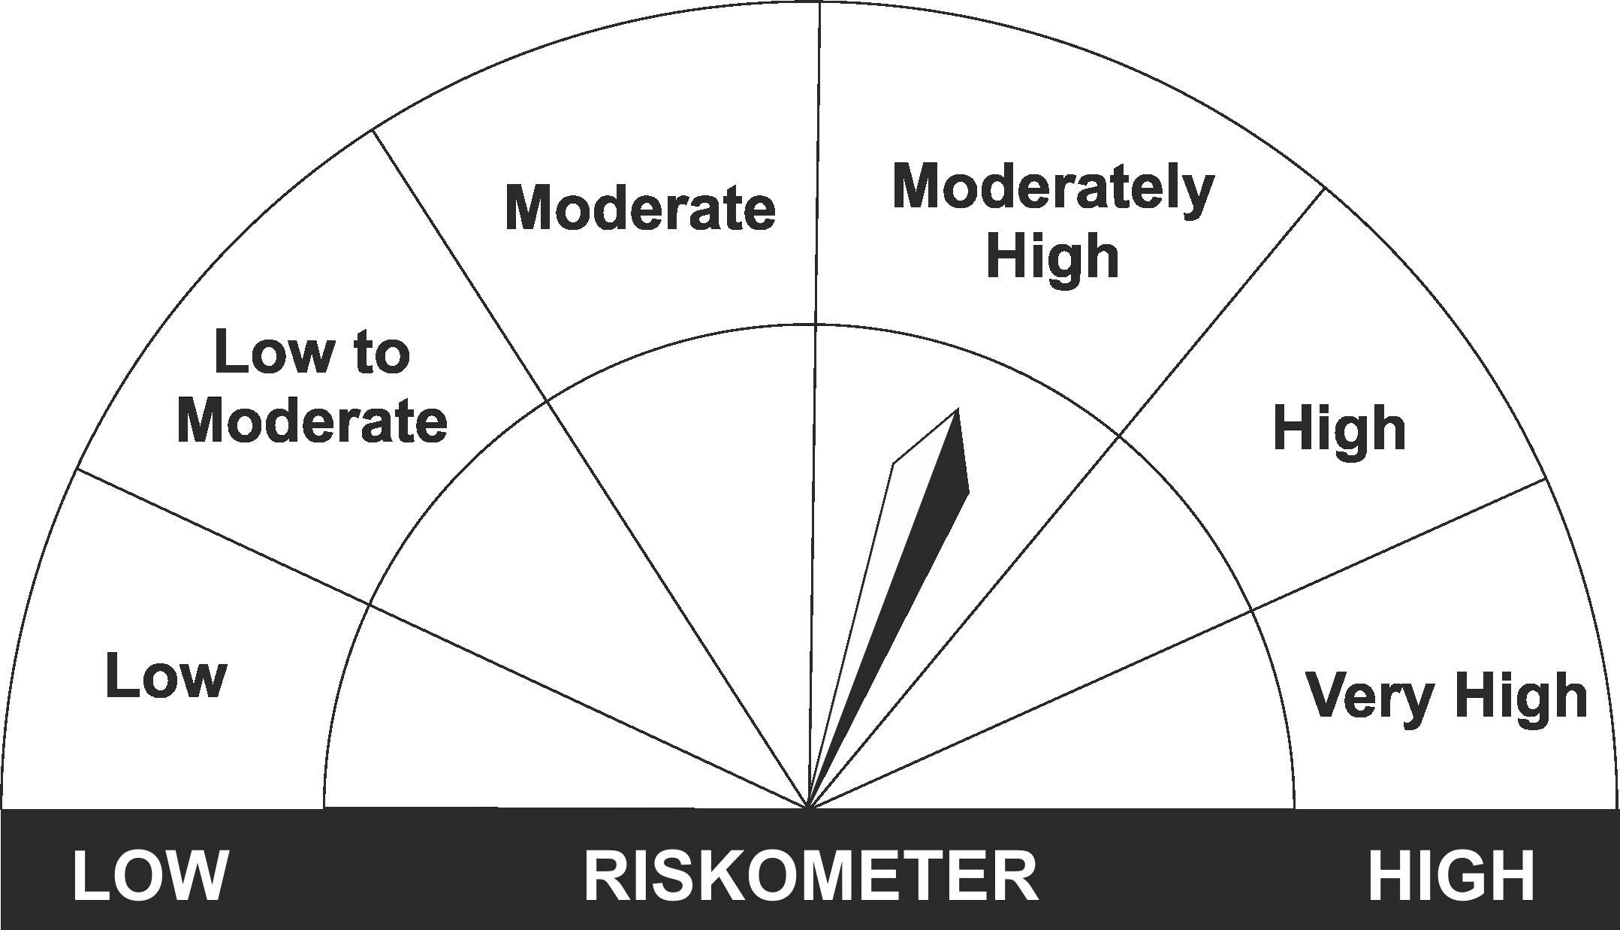
•Income Over Medium to long term |  | CRISIL Medium to Long Duration Fund BIII Index
•To generate income/capital appreciation through investments in Debt / Money Market Instruments
•Risk – Moderate |  | •Risk - Moderately High

*Investors should consult their financial advisers if in doubt about whether the product is suitable for them.
Mutual Fund investments are subject to market risks, read all scheme related documents carefully.

 | Potential Risk Class
LIC MF Bond Fund | Credit Risk | Relatively Low (Class A) | Moderate (Class B) | Relatively High (Class C)
 | Interest Rate Risk
 | Relatively Low (Class I)
 | Moderate (Class II)
 | Relatively High (Class III) |  | B-III

LDGETF
LIC MF NIFTY 8-13 YR G-SEC ETF | NSE Symbol: LICNETFGSC |  |  |  |  |  | Index

Monthly Portfolio Statement as on July 31,2022
Name of the Instrument | ISIN | Industry / Rating | Quantity | Market/Fair Value (Rounded, Rs. In Lacs) | Rounded, % to Net Assets | Yield

Debt Instruments
(a)Listed / Awaiting listing on stock Exchanges
6.54% Government of India | IN0020210244 | SOVEREIGN | 62,264,900.000 | 59,143.33 | 48.49% | 7.32%
6.1% Government of India | IN0020210095 | SOVEREIGN | 21,113,100.000 | 19,524.26 | 16.01% | 7.31%
6.64% Government of India | IN0020210020 | SOVEREIGN | 19,100,000.000 | 17,923.90 | 14.70% | 7.49%
6.68% Government of India | IN0020170042 | SOVEREIGN | 13,040,000.000 | 12,809.38 | 10.50% | 7.33%
7.5% Government of India | IN0020040039 | SOVEREIGN | 10,285,000.000 | 10,714.08 | 8.78% | 7.42%
Sub Total |  |  |  | 120,114.95 | 98.48%

(b)Privately Placed/Unlisted
Sub Total |  |  |  | NIL | NIL

(c)Securitised Debt Instruments
Sub Total |  |  |  | NIL | NIL

TOTAL |  |  |  | 120,114.95 | 98.48%

Treps / Reverse Repo
Treps |  |  |  | 1,772.57 | 1.45%
Sub Total |  |  |  | 1,772.57 | 1.45%

TOTAL |  |  |  | 1,772.57 | 1.45%
Net Receivables / (Payables) |  |  |  | 75.70 | 0.07%
GRAND TOTAL |  |  |  | 121,963.22 | 100.00%

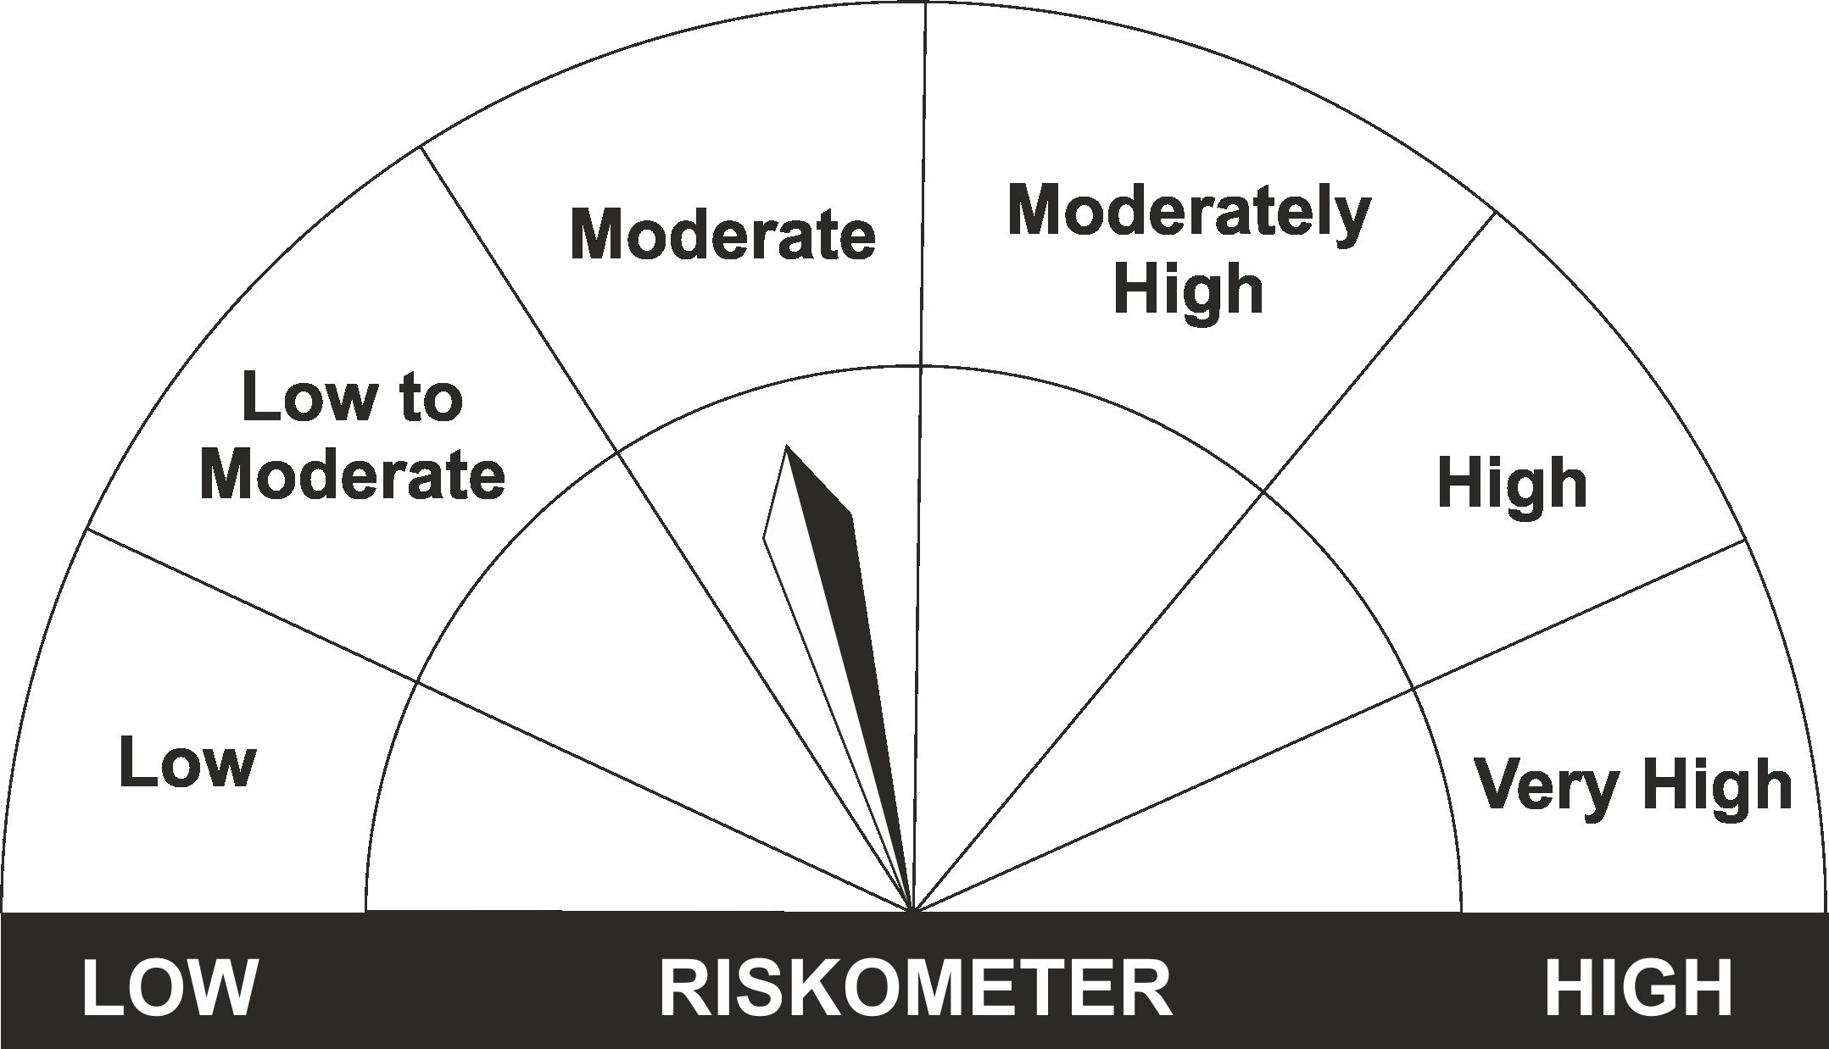
The product is suitable for investors who are seeking* | Riskometer - Scheme | First Tier Benchmark | Riskometer - First Tier Benchmark
LIC MF Nifty 8-13 yr G-Sec ETF
•Medium to long term regular Income. |  | Nifty 8-13 yr G-Sec
•Investment in securities in line with Nifty 8- 13 Yr G-Sec Index to generate comparable returns subject to tracking error.
•Risk - Moderate |  | •Risk - Moderate

*Investors should consult their financial advisers if in doubt about whether the product is suitable for them.
Mutual Fund investments are subject to market risks, read all scheme related documents carefully.

 | Potential Risk Class
LIC MF G-Sec Long Term ETF | Credit Risk | Relatively Low (Class A) | Moderate (Class B) | Relatively High (Class C)
 | Interest Rate Risk
 | Relatively Low (Class I)
 | Moderate (Class II)
 | Relatively High (Class III) | A-III

LDINPF
LIC MF BANKING & PSU DEBT FUND |  |  |  |  |  |  | Index

Monthly Portfolio Statement as on July 31,2022
Name of the Instrument | ISIN | Industry / Rating | Quantity | Market/Fair Value (Rounded, Rs. In Lacs) | Rounded, % to Net Assets | Yield

Debt Instruments
(a)Listed / Awaiting listing on stock Exchanges
7.38% Government of India | IN0020220037 | SOVEREIGN | 9,000,000.000 | 9,204.28 | 7.10% | 7.03%
6.19% Indian Railway Finance Corporation Ltd. ** | INE053F07CC9 | CRISIL AAA | 750.000 | 7,622.49 | 5.88% | 6.43%
5.63% Government of India | IN0020210012 | SOVEREIGN | 6,050,000.000 | 5,908.33 | 4.56% | 6.88%
6.99% Housing & Urban Development Corp Ltd. ** | INE031A08756 | FITCH AAA | 500.000 | 5,261.50 | 4.06% | 5.99%
6.8% Hindustan Petroleum Corporation Ltd. ** | INE094A08044 | CRISIL AAA | 500.000 | 5,223.04 | 4.03% | 6.01%
5.8% National Housing Bank ** | INE557F08FJ5 | CRISIL AAA | 500.000 | 5,032.41 | 3.88% | 6.55%
4.5% Oil & Natural Gas Corporation Ltd. ** | INE213A08040 | ICRA AAA | 500.000 | 4,970.56 | 3.83% | 6.67%
5.32% National Housing Bank ** | INE557F08FK3 | CRISIL AAA | 450.000 | 4,481.82 | 3.46% | 6.60%
7.29% Small Industries Development Bk of India ** | INE556F08JM3 | CARE AAA | 400.000 | 4,291.60 | 3.31% | 5.55%
6.55% NTPC Ltd. ** | INE733E08148 | CRISIL AAA | 400.000 | 4,075.05 | 3.14% | 6.49%
7.15% Small Industries Development Bk of India ** | INE556F08JY8 | ICRA AAA | 350.000 | 3,547.37 | 2.74% | 7.08%
6.4% National Bk for Agriculture & Rural Dev. ** | INE261F08CA0 | ICRA AAA | 350.000 | 3,492.72 | 2.69% | 6.64%
9.25% Power Grid Corporation of India Ltd. ** | INE752E07JI1 | CRISIL AAA | 200.000 | 2,666.76 | 2.06% | 6.00%
7.34% Housing & Urban Development Corp Ltd. ** | INE031A08731 | CARE AAA | 250.000 | 2,664.19 | 2.05% | 5.75%
6.59% Indian Railway Finance Corporation Ltd. ** | INE053F07BZ2 | CRISIL AAA | 250.000 | 2,634.02 | 2.03% | 6.43%
8.5% National Bk for Agriculture & Rural Dev. ** | INE261F08AT4 | CRISIL AAA | 250.000 | 2,630.09 | 2.03% | 6.25%
8.45% Power Finance Corporation Ltd. ** | INE134E08JU5 | CRISIL AAA | 250.000 | 2,584.51 | 1.99% | 5.71%
6.75% Power Finance Corporation Ltd. ** | INE134E08KS7 | CRISIL AAA | 250.000 | 2,534.72 | 1.95% | 6.57%
4.64% Oil & Natural Gas Corporation Ltd. ** | INE213A08032 | ICRA AAA | 250.000 | 2,529.05 | 1.95% | 6.65%
7.34% Power Grid Corporation of India Ltd. ** | INE752E08569 | CRISIL AAA | 250.000 | 2,528.38 | 1.95% | 6.89%
7.25% National Bk for Agriculture & Rural Dev. ** | INE261F08DQ4 | CRISIL AAA | 250.000 | 2,509.60 | 1.94% | 7.15%
6.09% Housing & Urban Development Corp Ltd. ** | INE031A08780 | ICRA AAA | 250.000 | 2,503.16 | 1.93% | 6.65%
5.74% Government of India | IN0020210186 | SOVEREIGN | 2,500,000.000 | 2,419.96 | 1.87% | 6.94%
8.8% Power Grid Corporation of India Ltd. ** | INE752E07KN9 | CRISIL AAA | 150.000 | 1,571.95 | 1.21% | 6.23%
6.44% Indian Oil Corporation Ltd. ** | INE242A08445 | CRISIL AAA | 150.000 | 1,551.10 | 1.20% | 6.58%
8.94% Export Import Bank of India ** | INE514E08CB3 | CRISIL AAA | 100.000 | 1,062.74 | 0.82% | 6.03%
8.88% Export Import Bank of India ** | INE514E08BS9 | CRISIL AAA | 50.000 | 537.73 | 0.41% | 5.81%
Sub Total |  |  |  | 96,039.13 | 74.07%

(b)Privately Placed/Unlisted
Sub Total |  |  |  | NIL | NIL

(c)Securitised Debt Instruments
Sub Total |  |  |  | NIL | NIL

TOTAL |  |  |  | 96,039.13 | 74.07%

Money Market Instruments

Certificate of Deposit
State Bank of India ** # | INE062A16457 | ICRA A1+ | 1,000.000 | 4,951.29 | 3.82% | 5.70%
HDFC Bank Ltd. ** # | INE040A16CV8 | CARE A1+ | 1,000.000 | 4,839.30 | 3.73% | 6.28%
Axis Bank Ltd. ** # | INE238A161X8 | CRISIL A1+ | 500.000 | 2,480.66 | 1.91% | 5.69%
Sub Total |  |  |  | 12,271.25 | 9.46%

Commercial Paper
Export Import Bank of India ** | INE514E14QI6 | CARE A1+ | 1,500.000 | 7,433.12 | 5.73% | 5.66%
Indian Oil Corporation Ltd. ** | INE242A14WS9 | CRISIL A1+ | 500.000 | 2,490.28 | 1.92% | 5.70%
Sub Total |  |  |  | 9,923.40 | 7.65%

Treasury Bill
91 DAYS TBILL RED 04-08-2022 | IN002022X056 | SOVEREIGN | 7,000,000.000 | 6,996.92 | 5.40% | 5.36%
91 DAYS TBILL RED 11-08-2022 | IN002022X064 | SOVEREIGN | 2,500,000.000 | 2,496.41 | 1.93% | 5.25%
91 DAYS TBILL RED 08-09-2022 | IN002022X106 | SOVEREIGN | 500,000.000 | 497.18 | 0.38% | 5.44%
Sub Total |  |  |  | 9,990.51 | 7.70%

TOTAL |  |  |  | 32,185.16 | 24.81%

Treps / Reverse Repo
Treps |  |  |  | 8,193.55 | 6.32%
Sub Total |  |  |  | 8,193.55 | 6.32%

TOTAL |  |  |  | 8,193.55 | 6.32%
Net Receivables / (Payables) |  |  |  | (6,755.08) | (5.20%)
GRAND TOTAL |  |  |  | 129,662.76 | 100.00%

# Unlisted Security
** Non Traded Security

The product is suitable for investors who are seeking* | Riskometer - Scheme | First Tier Benchmark | Riskometer - First Tier Benchmark
LIC MF Banking & PSU Debt Fund | 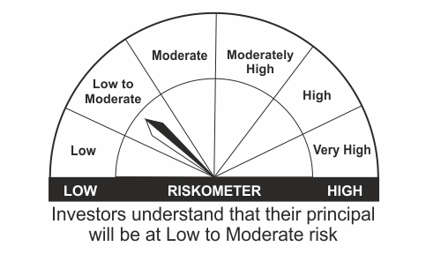
•Income for medium term capital appreciation with current income. |  | NIFTY Banking & PSU Debt Index
•An income fund that invests predominantly in debt and money market instruments issued by Banks, Public Sector Undertakings, Public Financial Institutions and Municipal Bonds
•Risk – Low to Moderate |  | •Risk - Moderate

*Investors should consult their financial advisers if in doubt about whether the product is suitable for them.
Mutual Fund investments are subject to market risks, read all scheme related documents carefully.

 | Potential Risk Class
LIC MF Banking & PSU Debt Fund | Credit Risk | Relatively Low (Class A) | Moderate (Class B) | Relatively High (Class C)
 | Interest Rate Risk
 | Relatively Low (Class I)
 | Moderate (Class II)
 | Relatively High (Class III) | A-III

LDMIPF
LIC MF DEBT HYBRID FUND |  |  |  |  |  |  | Index

Monthly Portfolio Statement as on July 31,2022
Name of the Instrument | ISIN | Industry / Rating | Quantity | Market/Fair Value (Rounded, Rs. In Lacs) | Rounded, % to Net Assets | Yield
Equity & Equity related
(a)Listed / Awaiting listing on Stock Exchanges
ICICI Bank Ltd. | INE090A01021 | Banks | 39,694.000 | 324.94 | 5.03%
Infosys Ltd. | INE009A01021 | IT - Software | 19,352.000 | 299.90 | 4.64%
Hindustan Unilever Ltd. | INE030A01027 | Diversified FMCG | 4,733.000 | 124.83 | 1.93%
HDFC Bank Ltd. | INE040A01034 | Banks | 8,307.000 | 119.14 | 1.84%
Reliance Industries Ltd. | INE002A01018 | Petroleum Products | 4,460.000 | 111.92 | 1.73%
Nestle India Ltd. | INE239A01016 | Food Products | 571.000 | 110.54 | 1.71%
Mahindra & Mahindra Ltd. | INE101A01026 | Automobiles | 8,441.000 | 98.29 | 1.52%
Larsen & Toubro Infotech Ltd. | INE214T01019 | IT - Software | 1,595.000 | 75.46 | 1.17%
Tech Mahindra Ltd. | INE669C01036 | IT - Software | 4,830.000 | 50.65 | 0.78%
Bharti Airtel Ltd. | INE397D01024 | Telecom - Services | 7,246.000 | 49.12 | 0.76%
Abbott India Ltd. | INE358A01014 | Pharmaceuticals & Biotechnology | 69.000 | 13.81 | 0.21%
Bharti Airtel Ltd. PARTLY PAID UP FV 1.25 | IN9397D01014 | Telecom - Services | 642.000 | 1.88 | 0.03%
Sub Total |  |  |  | 1,380.48 | 21.37%
(b) Unlisted
Sub Total |  |  |  | NIL | NIL

TOTAL |  |  |  | 1,380.48 | 21.37%

Debt Instruments
(a)Listed / Awaiting listing on stock Exchanges
5.74% Government of India | IN0020210186 | SOVEREIGN | 2,000,000.000 | 1,935.97 | 29.98% | 6.94%
7.38% Government of India | IN0020220037 | SOVEREIGN | 1,000,000.000 | 1,022.70 | 15.84% | 7.03%
7.32% Government of India | IN0020180488 | SOVEREIGN | 500,000.000 | 506.63 | 7.84% | 6.42%
7.77% Housing Development Finance Corp Ltd. ** | INE001A07TN0 | ICRA AAA | 50.000 | 502.13 | 7.77% | 7.74%
5.63% Government of India | IN0020210012 | SOVEREIGN | 300,000.000 | 292.98 | 4.54% | 6.88%
8.3% Government of India | IN0020100031 | SOVEREIGN | 60,000.000 | 64.78 | 1.00% | 7.55%
8.49% NTPC Ltd. ** | INE733E07JP6 | CRISIL AAA | 47,900.000 | 6.33 | 0.10% | 6.87%
Sub Total |  |  |  | 4,331.52 | 67.07%

(b)Privately Placed/Unlisted
Sub Total |  |  |  | NIL | NIL

(c)Securitised Debt Instruments
Sub Total |  |  |  | NIL | NIL

TOTAL |  |  |  | 4,331.52 | 67.07%

Money Market Instruments

Treasury Bill
91 DAYS TBILL RED 22-09-2022 | IN002022X122 | SOVEREIGN | 600,000.000 | 595.36 | 9.22% | 5.47%
Sub Total |  |  |  | 595.36 | 9.22%

TOTAL |  |  |  | 595.36 | 9.22%

Treps / Reverse Repo
Treps |  |  |  | 177.26 | 2.74%
Sub Total |  |  |  | 177.26 | 2.74%

TOTAL |  |  |  | 177.26 | 2.74%
Net Receivables / (Payables) |  |  |  | (26.17) | (0.40%)
GRAND TOTAL |  |  |  | 6,458.45 | 100.00%

** Non Traded Security

The product is suitable for investors who are seeking* | Riskometer - Scheme | First Tier Benchmark | Riskometer - First Tier Benchmark
LIC MF Debt Hybrid Fund | 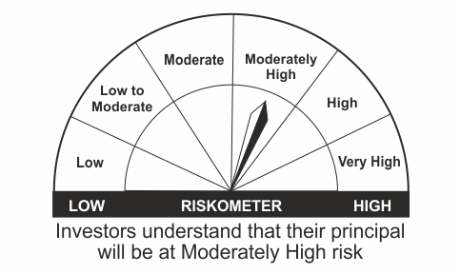
•Medium term capital appreciation with current income |  | CRISIL Hybrid 85+15 - Conservative Index
•A fund that invests predominantly in debt instruments with marginal equity exposure.
•Risk - Moderately High |  | •Risk - Moderately High

*Investors should consult their financial advisers if in doubt about whether the product is suitable for them.
Mutual Fund investments are subject to market risks, read all scheme related documents carefully.

LDONTF
LIC MF OVERNIGHT FUND |  |  |  |  |  |  | Index

Monthly Portfolio Statement as on July 31,2022
Name of the Instrument | ISIN | Industry / Rating | Quantity | Market/Fair Value (Rounded, Rs. In Lacs) | Rounded, % to Net Assets | Yield

Money Market Instruments

Treasury Bill
182 DAYS TBILL RED 04-08-2022 | IN002021Y478 | SOVEREIGN | 500,000.000 | 499.78 | 0.81% | 5.36%
Sub Total |  |  |  | 499.78 | 0.81%

TOTAL |  |  |  | 499.78 | 0.81%

Treps / Reverse Repo
Treps |  |  |  | 61,079.73 | 99.08%
Sub Total |  |  |  | 61,079.73 | 99.08%

TOTAL |  |  |  | 61,079.73 | 99.08%
Net Receivables / (Payables) |  |  |  | 65.86 | 0.11%
GRAND TOTAL |  |  |  | 61,645.37 | 100.00%

The product is suitable for investors who are seeking* | Riskometer - Scheme | First Tier Benchmark | Riskometer - First Tier Benchmark
LIC MF Overnight Fund |  |  | 
•Income with high levels of safety and liquidity over short term. |  | NIFTY 1D Rate Index
•Investment in debt and money market instruments with overnight maturity.
•Risk – Low |  | •Risk – Low

*Investors should consult their financial advisers if in doubt about whether the product is suitable for them.
Mutual Fund investments are subject to market risks, read all scheme related documents carefully.

 | Potential Risk Class
LIC MF Overnight Fund | Credit Risk | Relatively Low (Class A) | Moderate (Class B) | Relatively High (Class C)
 | Interest Rate Risk
 | Relatively Low (Class I) | A-I
 | Moderate (Class II)
 | Relatively High (Class III)

LLIQDF
LIC MF LIQUID FUND |  |  |  |  |  |  | Index

Monthly Portfolio Statement as on July 31,2022
Name of the Instrument | ISIN | Industry / Rating | Quantity | Market/Fair Value (Rounded, Rs. In Lacs) | Rounded, % to Net Assets | Yield

Money Market Instruments

Certificate of Deposit
Indian Bank ** # | INE562A16KI1 | FITCH A1+ | 10,000.000 | 49,985.15 | 9.44% | 5.42%
HDFC Bank Ltd. ** # | INE040A16CY2 | CARE A1+ | 7,000.000 | 34,827.42 | 6.58% | 5.65%
Axis Bank Ltd. ** # | INE238A164Z7 | CRISIL A1+ | 4,000.000 | 19,969.10 | 3.77% | 5.65%
Canara Bank ** # | INE476A16SS6 | CRISIL A1+ | 4,000.000 | 19,951.08 | 3.77% | 5.59%
Canara Bank ** # | INE476A16TB0 | CRISIL A1+ | 4,000.000 | 19,865.00 | 3.75% | 5.64%
Axis Bank Ltd. ** # | INE238A161X8 | CRISIL A1+ | 3,000.000 | 14,883.93 | 2.81% | 5.69%
IDFC First Bank Ltd. ** # | INE092T16SA9 | ICRA A1+ | 2,000.000 | 9,993.87 | 1.89% | 5.60%
Axis Bank Ltd. ** # | INE238A168Y1 | CRISIL A1+ | 2,000.000 | 9,962.76 | 1.88% | 5.68%
Export Import Bank of India ** # | INE514E16BX2 | CARE A1+ | 2,000.000 | 9,932.50 | 1.88% | 5.64%
Canara Bank ** # | INE476A16ST4 | CRISIL A1+ | 1,000.000 | 4,983.94 | 0.94% | 5.60%
HDFC Bank Ltd. ** # | INE040A16DA0 | CARE A1+ | 1,000.000 | 4,948.55 | 0.93% | 5.75%
Indian Bank ** # | INE562A16KP6 | FITCH A1+ | 500.000 | 2,500.00 | 0.47% | 5.49%
Sub Total |  |  |  | 201,803.30 | 38.12%

Commercial Paper
Indian Oil Corporation Ltd. ** | INE242A14WS9 | CRISIL A1+ | 6,000.000 | 29,883.33 | 5.65% | 5.70%
National Bk for Agriculture & Rural Dev. ** | INE261F14IX7 | CRISIL A1+ | 6,000.000 | 29,819.58 | 5.63% | 5.66%
Tata Capital Housing Finance Ltd. ** | INE033L14MD2 | CRISIL A1+ | 5,000.000 | 24,649.83 | 4.66% | 5.96%
Reliance Retail Ventures Ltd. ** | INE929O14685 | CRISIL A1+ | 4,000.000 | 19,797.36 | 3.74% | 5.93%
Reliance Retail Ventures Ltd. ** | INE929O14693 | CRISIL A1+ | 4,000.000 | 19,717.62 | 3.72% | 5.94%
Cholamandalam Investment & Fin Co Ltd. ** | INE121A14TQ5 | CRISIL A1+ | 3,800.000 | 18,866.05 | 3.56% | 5.89%
Redington (India) Ltd. ** | INE891D14VM2 | CRISIL A1+ | 2,000.000 | 9,953.03 | 1.88% | 5.94%
Reliance Retail Ventures Ltd. ** | INE929O14636 | CRISIL A1+ | 2,000.000 | 9,933.76 | 1.88% | 5.80%
NTPC Ltd. ** | INE733E14BB9 | FITCH A1+ | 2,000.000 | 9,933.74 | 1.88% | 5.66%
Hindustan Petroleum Corporation Ltd. ** | INE094A14JB7 | CRISIL A1+ | 2,000.000 | 9,931.76 | 1.88% | 5.70%
HDFC Securities Ltd. ** | INE700G14CI6 | CRISIL A1+ | 2,000.000 | 9,921.62 | 1.87% | 5.89%
Godrej Industries Ltd. ** | INE233A14UV6 | ICRA A1+ | 1,500.000 | 7,489.29 | 1.41% | 5.80%
Godrej Industries Ltd. ** | INE233A14VN1 | ICRA A1+ | 1,500.000 | 7,406.07 | 1.40% | 5.93%
Can Fin Homes Ltd. ** | INE477A14BP1 | CRISIL A1+ | 1,000.000 | 4,975.91 | 0.94% | 5.89%
Bajaj Finance Ltd. ** | INE296A14TF8 | CRISIL A1+ | 500.000 | 2,488.58 | 0.47% | 5.78%
Sub Total |  |  |  | 214,767.53 | 40.57%

Treasury Bill
91 DAYS TBILL RED 04-08-2022 | IN002022X056 | SOVEREIGN | 20,000,000.000 | 19,991.20 | 3.78% | 5.36%
91 DAYS TBILL RED 29-09-2022 | IN002022X130 | SOVEREIGN | 20,000,000.000 | 19,824.08 | 3.75% | 5.49%
91 DAYS TBILL RED 06-10-2022 | IN002022X148 | SOVEREIGN | 20,000,000.000 | 19,802.00 | 3.74% | 5.53%
91 DAYS TBILL RED 22-09-2022 | IN002022X122 | SOVEREIGN | 18,500,000.000 | 18,356.88 | 3.47% | 5.47%
91 DAYS TBILL RED 13-10-2022 | IN002022X155 | SOVEREIGN | 10,000,000.000 | 9,890.61 | 1.87% | 5.53%
91 DAYS TBILL RED 20-10-2022 | IN002022X163 | SOVEREIGN | 10,000,000.000 | 9,879.52 | 1.87% | 5.56%
91 DAYS TBILL RED 18-08-2022 | IN002022X072 | SOVEREIGN | 5,000,000.000 | 4,987.69 | 0.94% | 5.30%
Sub Total |  |  |  | 102,731.98 | 19.41%

TOTAL |  |  |  | 519,302.81 | 98.10%

Treps / Reverse Repo
Treps |  |  |  | 9,835.32 | 1.86%
Sub Total |  |  |  | 9,835.32 | 1.86%

TOTAL |  |  |  | 9,835.32 | 1.86%
Net Receivables / (Payables) |  |  |  | 194.45 | 0.04%
GRAND TOTAL |  |  |  | 529,332.58 | 100.00%

# Unlisted Security
** Non Traded Security

LIC MF Arbitrage Fund has invested (inter scheme investments) in LIC MF Liquid Fund. Market value of such investments as on 31st July 2022 is 760.22 lacs.

The product is suitable for investors who are seeking* | Riskometer - Scheme | First Tier Benchmark | Riskometer - First Tier Benchmark
LIC MF Liquid Fund |  |  | 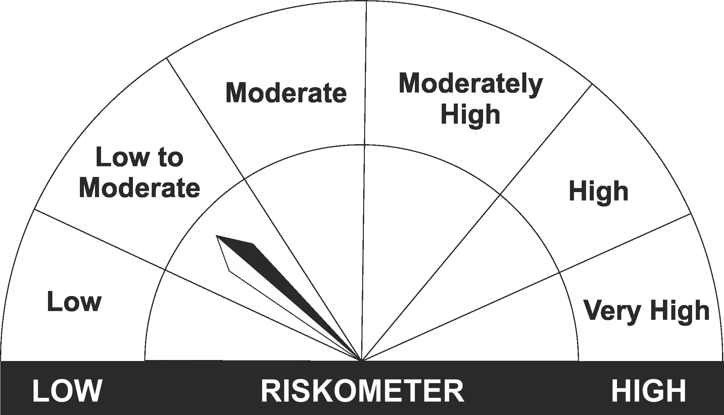
•Income for short term |  | CRISIL Liquid Fund BI Index
•Investment in Debt/Money Market Instruments with maturity of upto 91 days.
•Risk – Low to Moderate |  | •Risk – Low to Moderate

*Investors should consult their financial advisers if in doubt about whether the product is suitable for them.
Mutual Fund investments are subject to market risks, read all scheme related documents carefully.

 | Potential Risk Class
LIC MF Liquid Fund | Credit Risk | Relatively Low (Class A) | Moderate (Class B) | Relatively High (Class C)
 | Interest Rate Risk
 | Relatively Low (Class I) |  | B-I
 | Moderate (Class II)
 | Relatively High (Class III)

